QUOTE
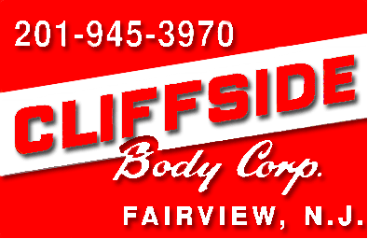
CLIFFSIDE BODY CORPORATION
130 Broad Ave., Fairview, NJ 07022
Ph: 201-945-3970 Fax: 201-945-7534
 | QUOTE #: EG052818E
 | DATE: 5/29/18

CUSTOMER:
ATTN:

EMAIL:
PHONE:

VEHICLE:

 | DESCRIPTION | PRICE
1 | INSTALL GODWIN 14' STEEL LANDSCAPER BODY | $14,955
 | 14' LONG X 96" WIDE - 3/16" SMOOTH STEEL PLATFORM
 | 50" 10 GAUGE HIGH TENSILE STEEL SIDES, FRONT & SWING-OUT REAR - POWDER COATED BLACK
 | 1/2 (24") CAB PROTECTOR
 | ICC UNDERRIDE
 | LED MARKER LIGHTS & CHASSIS STOP/TURN TAIL LIGHTS
 | RUBBER MUDFLAPS
 | PALFINGER 625DG DOUBLE ACTING HYDRAULIC HOIST AND PTO
 | BACKUP ALARM
 | MANUAL MESH TARP AND ROLLER

* | OPTION: 13' LONG BODY IN LIEU OF 14' - NO CHARGE
* | OPTION: HITCH PLATE WITH PINTLE HOOK & TRAILER PLUG IN LIEU OF ICC STEP - ADD $641
* | OPTION: ELECTRIC BRAKE CONTROL - ADD $463
* | OPTION: POWER CONVERTER (FOR ISUZU/MITSUBISHI CHASSIS) - ADD $130
* | OPTION: ADD CURBSIDE DOOR - ADD $938
* | OPTION: 3/4 (36") CABSHIELD IN LIEU OF 1/2 CABSHIELD - ADD $32
* | OPTION: DOUBLE ACTING TAILGATE IN LIEU OF BARN DOOR TAILGATE - NO CHARGE
* | OPTION: PAINT BODY STANDARD COLOR OTHER THAN BLACK - ADD $900
* | OPTION: WELD-ON STEP AND GRAB HANDLE - ADD $212
* | OPTION: SLIDE OUT STEP AND GRAB HANDLE - ADD $297
* | OPTION: 48" X 18" X 18" ALUMINUM DIAMOND PLATE UNDERBODY TOOLBOX - ADD $802
* | OPTION: 48" X 18" X 18" BLACK STEEL UNDERBODY TOOLBOX - ADD $609
* | OPTION: REMOUNT EXISTING BACKUP CAMERA - ADD $330
* | OPTION: AUTOMATIC ELECTRIC TARPER IN LIEU OF MANUAL - ADD $2,155

 | #REF! | $14,955
 | #REF! | $-
 | TOTAL INSTALLED PRICE | $14,955

 | SIGNATURE: DATE:
 | *PRICING IS SUBJECT TO CHANGE AT ANY TIME

